Sheet1
 | Fundamentals of Mobile Data Networks, by G. Miao, J. Zander, K. Sung, and B. Slimane.
 | 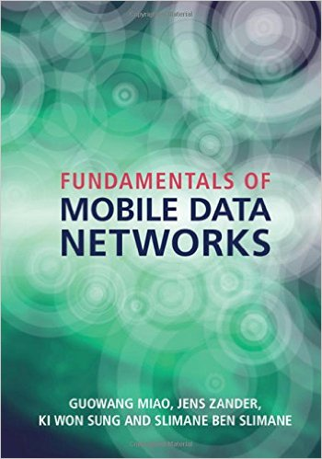
Typo/Grammatical Errors
S.No | Chapter No. | Chapter Name | Page | Line | Error | Correction
1 | 6 | Transmitter power control | 152 | 4 | SIR | minimum SIR
2 | 6 | Transmitter power control | 154 | 17 | and and | and
3 | 8 | Association and handover | 214 | last | candidate | neighbor
4 | 5 | Principles of cellular systems | 105 | 9 |  | 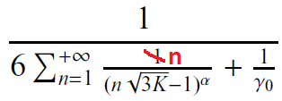
5 | 10 | Long term evolution | 265 | 9 from the bottom | 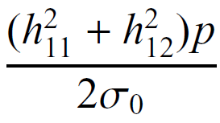 | 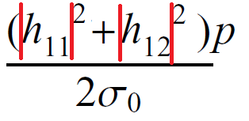
6 | 10 | Long term evolution | 265 | 8 from the bottom
7 | 10 | Long term evolution | 266 | 11
8 | 10 | Long term evolution | 266 | 12
9 | 3 | Medium access control | 56 | last line, eq (3.43) | 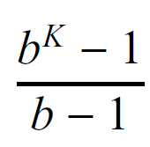 | 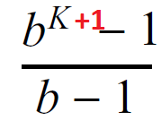
$$γ$$
$$δ$$
10 | 3 | Medium access control | 48 | Figure 3.17 | x label: | x label:
11 | 3 | Medium access control | 53 | Figure 3.20 | Label of teminalL: A, B, C, D | Should be: B, A, C, D.
12 | 5 | Principles of cellular systems | 131 | 3 | As L approaches the system … | As L approaches 1, the system …
13 | 5 | Principles of cellular systems | 125 | Figure 5.17: 4th subplot | Set o forthorognal codes | Set of orthorognal codes
$$u_{e}(R^{∗})$$
ln2 $u_{e}(R^{∗})$
14 | 9 | Energy-efficient design | 237 | Formula 9.26, 9.27, Fig. 9.5. Last paragraph of page 237 | ln2 conefficient is missing for all.
15 | 10 | Long term evolution | 259 | 5 | As shown in Figure 3.6 | As shown in Figure 3.7
16 | 11 | Wireless infrastructure economics | 293 | Equation (11.20) | 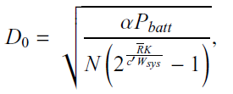 | 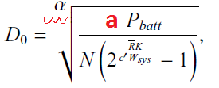
17 | 8 | Association and handover | 210 | Figure 8.7, fourth formula in the bottom | (N_tot+1)μ | (N_thr+1)μ
18 | 10 | Long term evolution | 268 | Figure 10.8, second line, second block: S/P | "Parallel to Serial". | Serial to Parallel
19 | Ch 8 | Association and handover | 212 | Figure 8.9 | Two 'N_thr' in the circles | 'N_tot'
20 | Ch 9 | Energy-efficient design | 240 | Line 3 | It consumes P_1 circuit power in transmission mode and P_2 circuit power …. | It consumes P_2 circuit power in transmission mode and P_1 circuit power ….
21 | Ch 9 | Energy-efficient design | 235 | Line 12, the equation in (3)
22 | Ch 5 | Principles of cellular systems | 108 | Line 4, left side of the equation
23 | Ch 5 | Principles of cellular systems | 117 | Figure 5.13, Y axis. Read the three lables. They should be of the same format | 100 | 10^0
24 | Ch 7 | Interference Management | 191 | line 5
25 | Ch 8 | Association and handover | 205 | line 3 | k dB samples | k samples
26 | Ch 3 | Medium access control | 55 | equation 3.38 | Pr(At least one arrival in the first k-1 slots) | Pr(At least one arrival in each of the first k-1 slots)
27 | Ch 6 | Transmitter power control | 172 | Line 10 | S*P_t | S × P_t
28 | Ch 11 | Wireless infrastructure economics | 287 | Equation 11.8 | in f ra | infra
29 | Ch 11 | Wireless infrastructure economics | 289 | Figure 11.3 | the curve in the middle has no legend | add legend "Cost" next to the black solid line
30 | Ch 11 | Wireless infrastructure economics | 291 | 17 | in f ra | infra
31 | Ch 0 | Acronyms | xiv | 13 | Space Frequecy Block Code | Space Frequency Block Code
32 | Ch 0 | Acronyms | xv | last line | η Normalized thermal noise | η Normalized thermal noise ( sometimes used as number of channel/cell )
33 | Ch 9 | Energy-efficient design | 230 | Eq. 9.7 | E = pt | E=Pt
34 | Ch 10 | Long term evolution | 269 | last | 12 REs | 84 REs

35 | 5 | Principles of cellular systems | 132 | 15 | as shown in Figure 5.18 | as shown in Figure 5.18
36 | 5 | Principles of cellular systems | 132 | Formula 5.67
37 | 5 | Principles of cellular systems | 132 | Formula 5.70
38 | 5 | Principles of cellular systems | 138 | line 22, Problem 5.7 | "Determine the minimum distance between…" | "Determine the maximum distance between…"
39 | 5 | Principles of cellular systems | 139 | Line 14, Problem 5.10
40 | 5 | Principles of cellular systems | 139 | Line 5 from bottom, Problem 5.11 | "Determine the pole capacity of this system…" | "Determine the single-cell capacity of this system…"
41 | 5 | Principles of cellular systems | 112 | Equation below figure 5.12 | missing equation number | Add equation number (5.21)
42 | 5 | Principles of cellular systems | 114 | Equation 5.21 | wrong equation number | remove equation number (5.21)
43 | 5 | Principles of cellular systems | 113 | Line 5 from bottom | This a quite common situation | "This is a quite common situation"
44 | 5 | Principles of cellular systems | 114 | Equation 5.21

45 | 3 | Medium access control | 53 | Figure 3.19 | Label of teminalL: A, B, A | Should be: A, C, B.
46 | 5 | Principles of cellular systems | 119 | Table 5.2 | 29 | 19
47 | 5 | Principles of cellular systems | 128 | Line 3 | where G_{k,l} is the link gain between mobile terminal l and base station k | where G_{l,k} is the link gain between mobile terminal k and base station l
48 | 2 | Wireless Network Models | 14 | 11 | doppler shift | Doppler shift
49 | 4 | Scheduling | 72 | 22 | cancelation (SIC) | cancellation (SIC)
49 | 4 | Scheduling | 72 | 4th from the bottom | the cancelation order | the cancellation order
50 | 5 | Principles of Cellular Systems | 96 | 10 | and the path loss constant. | and α the path loss constant.
51 | 5 | Principles of Cellular Systems | 98 | 10 | the received SIR reduces to | the received SINR reduces to
52 | 8 | Mobility and Handover | 206 | 14 | much.The drawback of such | much. The drawback of such

